Sheet1
Image | Packaging picture | Name | QTY
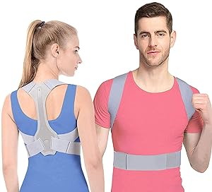 | 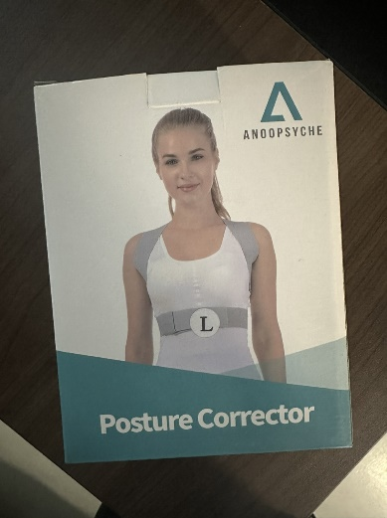 | KM62 posture corrector S gray blue | 109
 |  | KM62 posture corrector L gray blue | 11
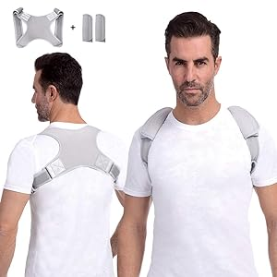 |  | WT-K27 posture corrector S gray | 41
 |  | K27 posture corrector XL gray | 108
 |  | GS255 posture corrector M gray | 1033
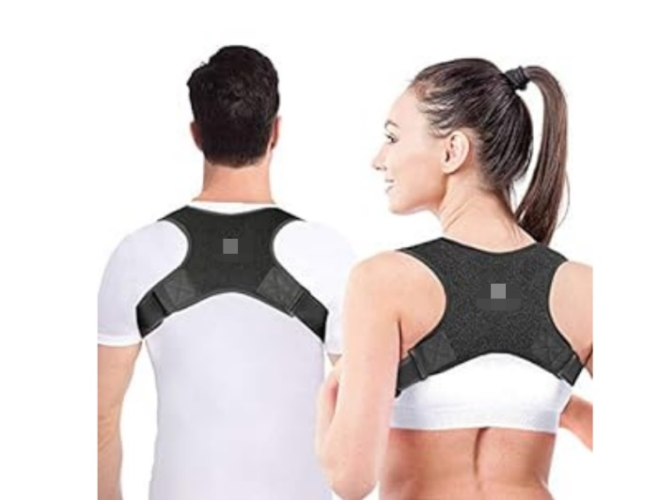 | 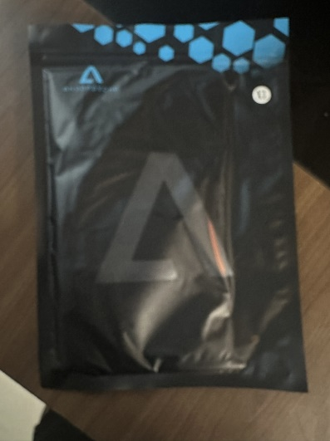 | GS255 posture corrector M black | 200
 |  | GS255 posture corrector M black | 110
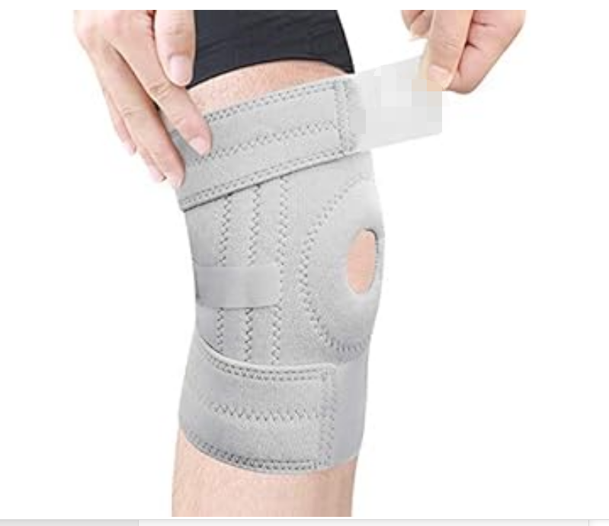 |  | TJOT21216 Mountaineering knee pads gray | 109
 |  | SK300posture corrector XL gray blue | 244
 |  | SK300posture corrector M gray blue | 13
 |  | SK300posture corrector S gray blue | 23
 |  | GS255 posture corrector M gray | 150
 |  | GS255 posture corrector M black | 539
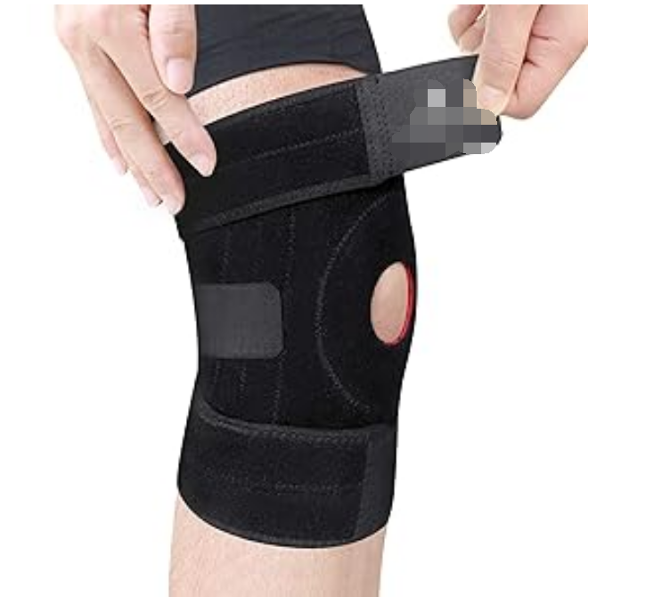 |  | TJOT21215 Mountaineering knee pads black | 4
 |  | TJOT21215 Mountaineering knee pads black | 27
 |  |  | 2721

